Sheet1
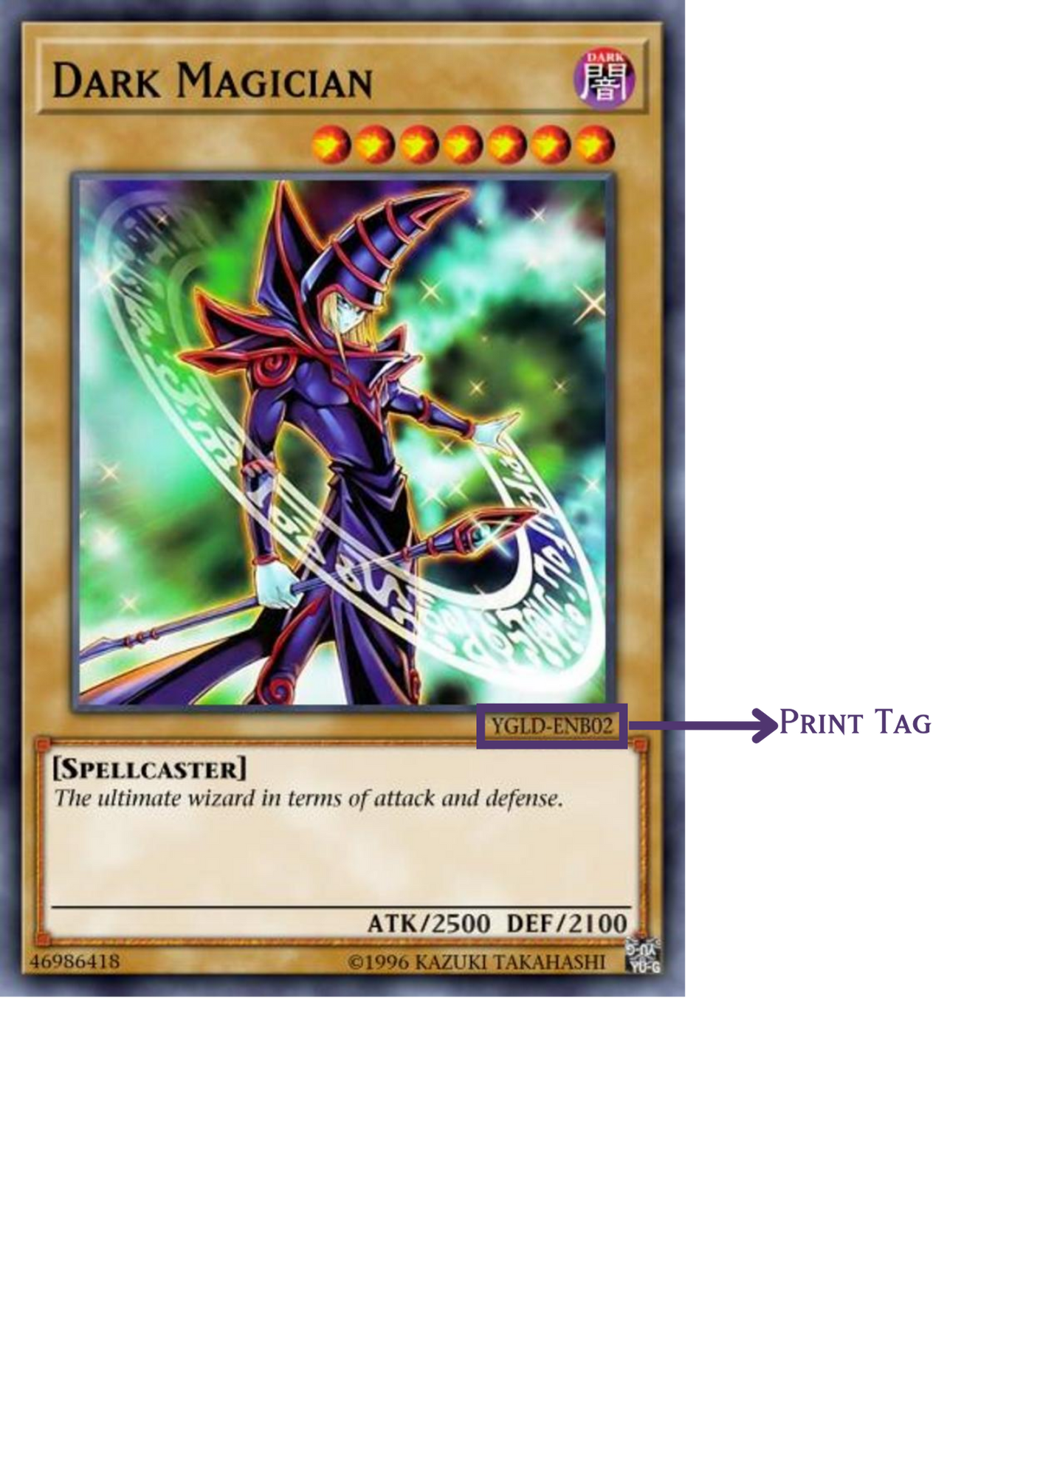
print_tag
YGLD-ENBO2
LOB-001
SDY-004
LDK2-ENY04

